Angle of Sensor
IRT Canopy Sensor Design
*Manually adjust green cells |  |  |  |  | Variables
*Grey cells auto adjust. DO NOT TYPE IN GREY CELLS. |  |  |  |  | H | height of sensor above canopy
 |  |  |  |  | X | horizontal distance from sensor to start of elliptical FOV
alpha | 90 | Whole FOV |  |  | A | ellipse long axis radius
theta | 50 | Angle of inclination |  |  | B | ellipse short axis radius
Eccentricity | 0.9090389553 |  |  |  | alpha | FOV
 |  |  |  |  | theta | angle of inclination
 |  | FIX H
H | X | A | B | Area
2 | -0.1749773271 | 11.51754097 | 4.799487674 | 173.6618883
 |  |  |  |  | A
 |  | FIX area
area | X | A | B | H
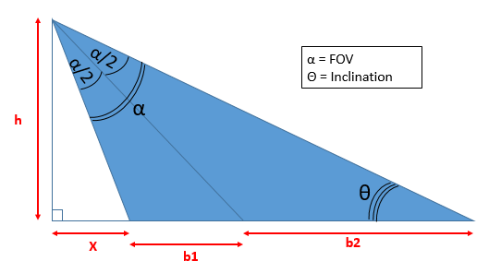
28.27433388 | -0.3643276598 | 4.64733198 | 1.936595027 | 4.164284207 |  |  |  | B

 |  | FIX A
A | X | B | Area | H
3 | -0.2351850447 | 1.250133432 | 11.78223002 | 2.688177362 |  | H

 |  | FIX B
B | X | A | Area | H |  | X | b1
3.75 | -0.7054798269 | 8.999039389 | 106.0174351 | 8.06367132

 |  |  |  |  |  |  |  | b1+b2 = 2A

